ENERSTOR Part B - Series A
Series A

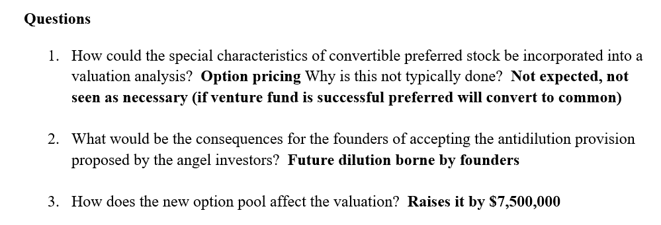
Owners/Investors | Security | # Of Shares | Investment | Share Price | Ownership
Phil | Common | 1,000,000 | $10,000 | $0.01 | 17.5%
Daniella | Common | 1,000,000 | $10,000 | $0.01 | 17.5%
Dr. G | Common | 1,000,000 | $10,000 | $0.01 | 17.5%
Seed Round | Convertible Preferred | 710,296 | $250,000 | $0.35 | 12.4%
Series A | Convertible Preferred | 1,000,000 | $7,500,000 | $7.50 | 17.5%
 | Options | 1,000,000 | $0 |  | 17.5%

Totals |  | 5,710,296 | $7,780,000

 |  | Post-Money | $42,827,217
 |  | Pre-Money | $35,327,217
 |  | Step-Up | 21

